Hierarchy
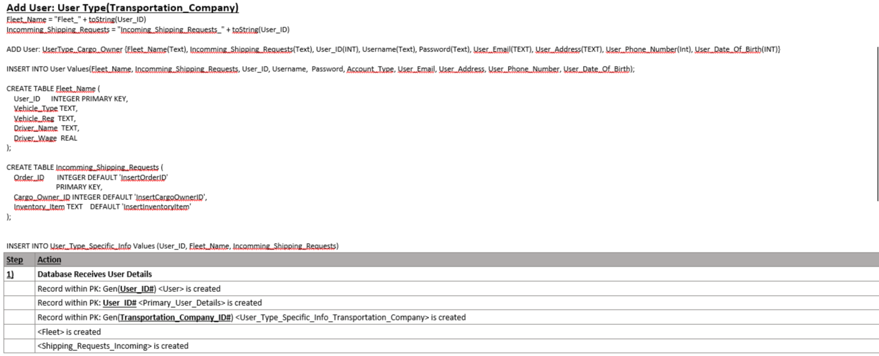
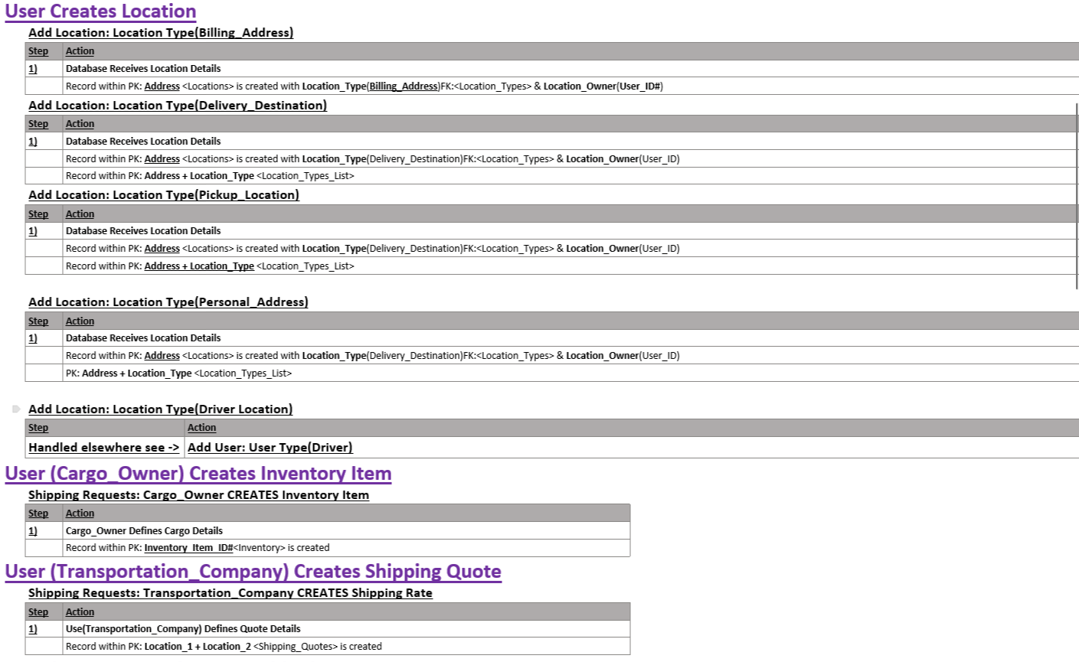
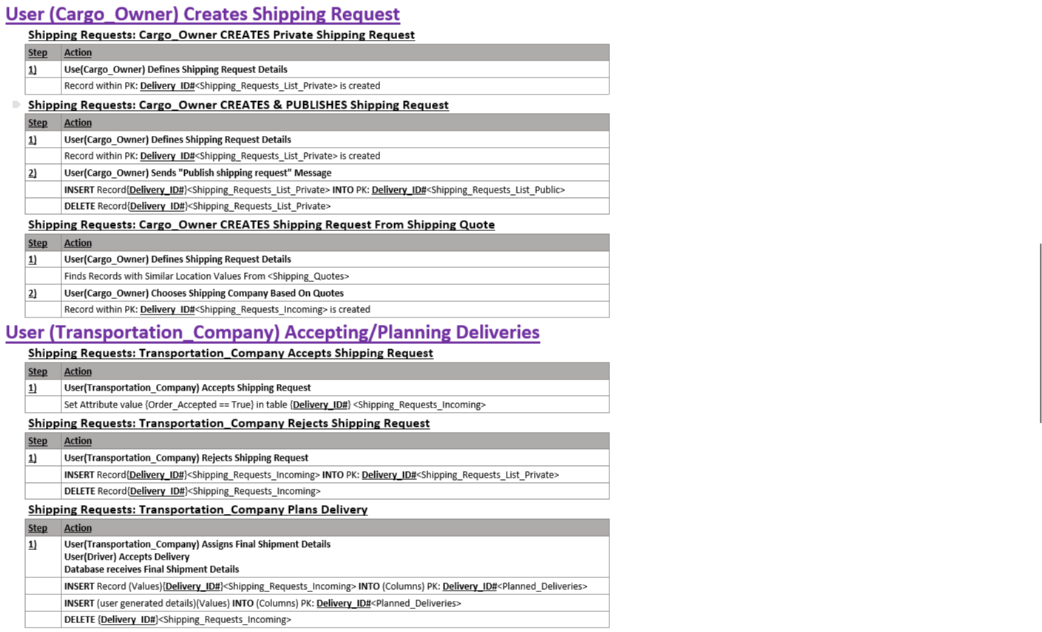
Highest Level | High Level | Low Level | Generated Data |  | Use Cases To Be Addresed

<User> | <User_Types> |  |  |  |  |  |  |  | Implementation
 | <User_Types_Permissions> |  |  | 1) | User Registration: | Types | Description | Considerations | Our generated Primary Key for User_ID will be prefixed by User type so one User ID can have multiple account types each account within User_ID must Have a different User_Name
 | User Type Lists | <Primary_User_Details> |  |  |  | Driver | AnyOne Who Transports Goods | Must belong to a fleet (fleet size can be one for self employed Drivers) | Prefix: "DVR" + User_ID
 | <User_Type_Specific_Info_Driver> |  |  |  |  | Cargo Owner | AnyOne Who Creates Shipping Requests | Can Only Create Shipping Requests | Prefix: "CO" + User_ID
 |  |  |  |  |  | Transportation Company | AnyOne Who Accepts Shipping Requests | Accepts Shipping Requests And Creates Deliveries | Prefix: "TC" + User_ID
 | <User_Type_Specific_Info_Cargo_Owner> |  |  |  |  | Listeners | Created as SubAccounts that belong to a main user | Can Only View Assigned Shipping Requests and Deliveries and Messages | Prefix: Parent_User_ID + "RL" + Registered_Listener_ID
 | <User_Type_Specific_Info_Transportation_Company> |  |  |  |  | System | Master Account for database
 |  |  | <Inventory>
 |  |  | <Fleet> | 2) | User LogIn: | Types | Description | Considerations
 |  |  | <Session_Details> |  |  | N/A | We Check User_ID + UserName Against Password | Each UserName for any account belonging a specific User_ID Must Be Unique
<Locations> | <Location_Types>
 | <Location_Types_Lists> | <Location_Details> |  | 2) | Adding Locations: | Types | Description
 |  |  |  |  |  | Live_Locations | Constant Update Locations. E.g. driver enroute
 | <Activity_Types> |  | <Current_Location_Activity> |  |  | Static_Singular_Public_Locations | Company Locations defined as a pin on the map
<Orders> |  |  | <Delivery_Plan> |  |  | Static_Public_Locations | Company Locations with Edge Points to create a 2d Polygon on the map
 | <Vehicle_Types> | <Shipping_Requests> |  |  |  | Static_Private_Locations | Static Locations Owned By a user who can allow others to View it
 |  | <Section_Actions> | <Delivery_Attempt> |  |  | Postcode_Area | A 2d polygon area on the map defined by a postcode
 | <Current_Deliveries_Tables> |  | <Delivery_Section> |  |  | CityTown_Area | City/Town area on the map represented as a 2d polygon with a centre/automatic or manual
 |  |  | <Vehicle_Categories>
 | <Social_Message Types> |  |  | 3) | Cargo_Owner Creates Inventory Item: | Types | Description | Considerations
 | <Generated_Message_Notifications> | <Global_Messages> | <Delivery_Related_Messages> |  |  | N/A | Add record to Inventory Table | Only Cargo_Owner who owns table should be able to do this.

 |  |  |  | 4) | Transport_Company Creates Shipping Quote: | Types | Description | Considerations
 |  |  |  |  |  | N/A | Add record to Shipping Quotes Table | Transportation company must be able to view its own shipping quotes
 |  |  |  |  |  |  |  | Cargo Owners will use this to request transportation directly to the transportation company
 | <Public_User_Records_Info> |  |  |  |  |  |  | Could Live Update based on drivers available (Done In app)
 |  | <Shipping_Rates>
 |  |  | <Public_Shipping_Quotes> |  | Cargo_Owner CREATES Shipping Request: | Types | Description | Considerations
 | <Personal_Finance_Record Types> |  |  | 5) |  | CREATES Private Shipping requests | Assigns an inventory item to an Order_ID so it can be moved into | this type of shipping request will have the least known information
 |  | <Personal_Finance_Records> | <Outgoing_Invoices> |  |  | CREATES Public Shipping Request | Used when CargOwn wants delivery by set date or wants companies to bid | Takes Shipping Request From Private table and assigns Deliver by date. Then creates a table for bids that transportation companies make upon bid being accepted it is moved to transportation companies <Incoming_Requests> tab
 |  |  | <Invoices_Payed> |  |  | CREATES Direct Shipping Request From Shipping Quote | Used when CargOwn wants delivery for set price but no date | Copies Info from private shipping requests and Inserts record into <Incoming_requests> table of transportation Company
 |  |  |  |  |  | CREATES Local Shipping Request | A Shipping Request is assigned to a Location table | Transportation companies and drivers search these areas for delivery requests until accepted
 | <Logs>
 |  | <User_Logs> |  | 6) | Transportation_Company Accepting Deliveries: | Types | Description | Considerations
 |  | <Delivery_Logs> |  |  |  | Adds bid/delivery plan to public shipping request | Creates Delivery plan then submits to Bids table
 |  |  |  |  |  | Accepts Request from shipping quote request | Transportation company confirms they will accept deliver for quoted price by agreed date

 |  |  |  | 7) | Transportation_Company Planning Deliveries: | Types | Description | Considerations
 |  |  |  |  |  | One Stint Delivery | A delivery with one pick up location, one driver and no breaks
 |  |  |  |  |  | Multiple Section Delivery | Sections Include a start and end location. As well as proof sections

 |  |  |  | 8) | Driver Updating Delivery Status: | Types | Description | Considerations
 |  |  |  |  |  | Driver Sends updates progress variable throughout delivery
 |  |  |  |  |  | Driver uploads proof to database

 |  |  |  | 9) | Messages Social: | Types | Description | Considerations
 |  |  |  |  |  | User Sends message to User | Message Body and Recipient are defined and uploaded by user
 |  |  |  |  |  | System Sends pre-saved delivery message to user | Message Body and Recipient are saved within Delivery Sections and sent upon Milestone Completion

 |  |  |  | 10) | Driver accepting shipping requests: | Types | Description | Considerations
 |  |  |  |  |  | Driver Recieves Immediate Delivery plan | Driver recieves an order to collect and deliver that is near to their current location | Delivery Plan added to Furrent Deliveries First Section Added to current action
 |  |  |  |  |  | Driver Agrees to future Delivery | Driver recieves a planned order that they agree to ahead of time. | Delivery Plan added to Future Deliveries

 |  |  |  | 11) | Cargo_Owner Adding Delivery comments/feedback: | Types | Description | Considerations
 |  |  |  |  |  | Cargo Owner Adds Comments to delivery plan | comments/notes/advice/additional info
 |  |  |  |  |  | Cargo Owner Adds Feedback to Delivery | Optional Fills out Review within Feedback section of delivery plan

 |  |  |  | 12) | System Adds Cargo Types: | Types | Description | Considerations
 |  |  |  |  |  | N/A | Adds Row To table Cargo Types and defines rules for transport

 |  |  |  | 13) | User Creates Invoice: | Types | Description | Considerations
 |  |  |  |  |  | User Creates Specific Invoice | User(e.g. driver) creates invoice defining recipient and quantity of item billed. Assigns invoice to a delivery_attempt.
 |  |  |  |  |  | Confirmed Delivery is broken down application and invoiced directly to Cargo_Owner

 |  |  |  | 14) | Public Records: | Types | Description | Considerations
 |  |  |  |  |  | User Makes Feedback from Delivery public | Feedback for separate sections assigned to separate users within system | will be added to public User <Public_User_Records_Info>
 |  |  |  |  |  | User writes Feedback Directly to a user account | Users can add Feedback to a specific users account that they share a delivery with | will be added to public User <Public_User_Records_Info>
 |  |  |  |  |  | User Makes Personal Records Public |  | will be added to public User <Public_User_Records_Info>

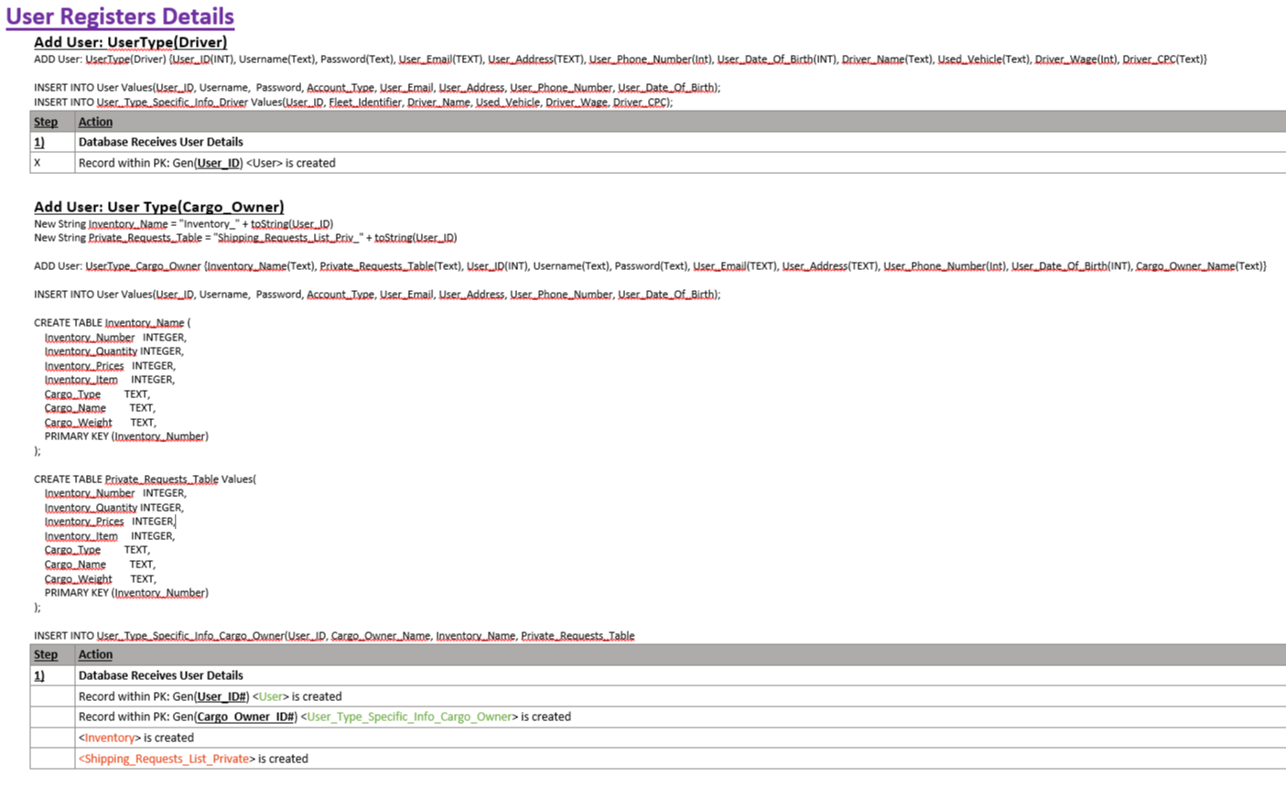

 |  |  |  |  |  |  |  |  |  |  |  |  | Use Cases High Level |  | Actors | User(Type) = User(Driver), User(Transportation Company), User(Cargo Owner) The actual people
 |  |  |  |  |  |  |  |  |  |  |  |  |  |  |  | (GEN-PK) a primary key is created by the system as the record is added
 |  |  |  |  |  |  |  |  |  |  |  | INDEX PURPLE |  |  |  | {these are when we define/create a record <within a table named here>}
 |  |  |  |  |  |  |  |  |  |  |  |  |  |  |  | [<these are for when we make a table>]
 |  |  |  |  |  |  |  |  |  |  |  |  | User creates account
 |  |  |  |  |  |  | test |  |  |  |  | Use_Case_1: | Includes: | Cargo Owner Creates new account | Step 1: | User(Type) ->{GEN-PK<User>}
 |  |  |  |  |  |  |  |  |  |  |  |  |  | Driver Creates new account | Step 2:
 |  |  |  |  |  |  |  |  |  |  |  |  |  | Transportation Company creates new account | Step 3:
 |  |  |  |  |  |  |  |  |  |  |  |  |  | Profile Details Must be editable | Step 4:

 |  |  |  |  |  |  |  | Use Cases High Level |  | Actors | User(Type) = User(Driver), User(Transportation Company), User(Cargo Owner) The actual people
 |  |  |  |  |  |  | INDEX PURPLE |  |  |  | (GEN-PK) a primary key is created by the system as the record is added
 |  |  |  |  |  |  |  |  |  |  | {these are when we define/create a record with the Keys: Written Here}<within a table named here>
 |  |  |  |  |  |  |  |  |  |  | [<these are for when we make a table>]
 |  |  |  |  |  |  | Use_Case_1: | User creates account
 |  |  |  |  |  |  |  | Includes: | Cargo Owner Creates new account | Step 1: | User(Type) ->{GEN-PK<User>}
 |  |  |  |  |  |  |  |  | Driver Creates new account | Step 2: | User(Type) -> User_Type
 |  |  |  |  |  |  |  |  | Transportation Company creates new account | Step 3: | User_Type -> User_Permissions
 |  |  |  |  |  |  |  |  | Profile Details Must be editable | Step 4: | User(Type) -> {PK:User_ID}<Primary_User_Details>
 |  |  |  |  |  |  |  |  |  | Step 5: | User(Type) -> {PK: Gen(Type_ID)}<User_Type_Specific_Info_Type>
 |  |  |  |  |  |  |  |  |  | Step 6: | <User_Type_Specific_Info_Type> -> <Outgoing_Invoices>
 |  |  |  |  |  |  |  |  |  | Step 7: | <User_Type_Specific_Info_Type> -> {PK: User_ID, FK: <Outgoing_Invoices>, FK: <Invoices_Payed>}<Personal_Finance_Records>

